Demand Data
068f4481b3 Direct
068f4481b3 Bundle
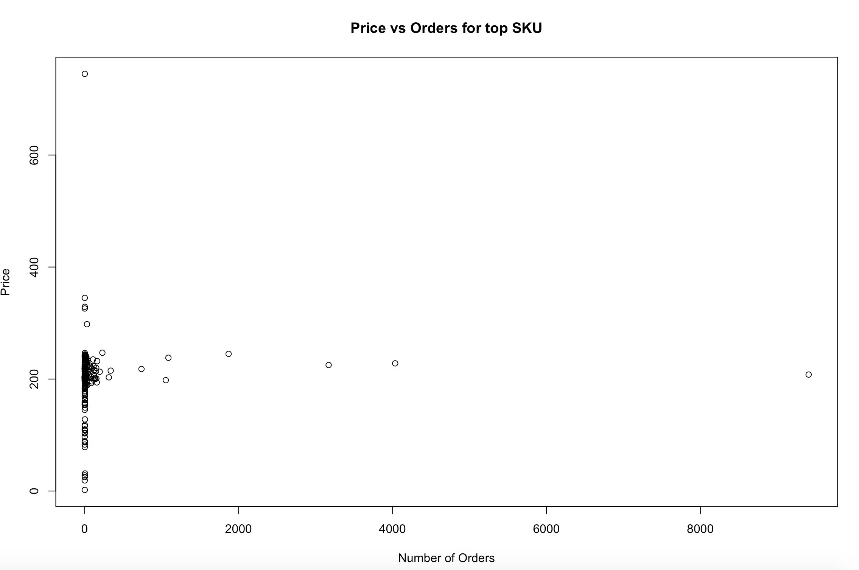
SKU | 068f4481b3
 |  |  |  |  | Total SKU Price Quantity
Discount Type | Direct
Price | Quantity Sold
208 | 7034
228 | 3979
225 | 3020
245 | 1840
238 | 991

Discount Type | Bundle
Price | Quantity Sold
247 | 230
208 | 217
218 | 203
232 | 150
194 | 142
225 | 112 |  | log linear | log(demand)=log(constant*e^(-b*price))
207 | 104 |  | constant
3c79df1d80 Direct
214 | 97 |  | focus on direct discount
238 | 61 |  | focus on days for final unit price as alternative
235 | 55 |  | Assume a fixed supply for case
224 | 41 |  | Calculate best click conversion rate (extra info)
 |  |  | Show aggreagte final unit price sale scatter plot
SKU | 3c79df1d80 |  | Try the 3 possible relationships. Not just linear
 |  |  | Calculate optimized price vs non-optimized price
Discount Type | Direct
Price | Quantity Sold
39.9 | 4844
44.9 | 2901
49.9 | 2542
45 | 2191
49 | 426

623d0a582a Direct
SKU | 623d0a582a

Discount Type | Direct
Price | Quantity Sold
59 | 4989
58.5 | 417
58 | 57

SKU | 8dc4a01dec

8dc4a01dec Direct
Discount Type | Direct
Price | Quantity Sold
59.9 | 2710
8dc4a01dec Bundle
69.9 | 1403
69 | 1359

Discount Type | Bundle
Price | Quantity Sold
64.5 | 718
69 | 14

Discount Type | Coupon
Price | Quantity Sold
72 | 85
75 | 38
8dc4a01dec Coupon
68 | 22 | <- Anomaly
74 | 19
73 | 13
76 | 11

